Risk matrix
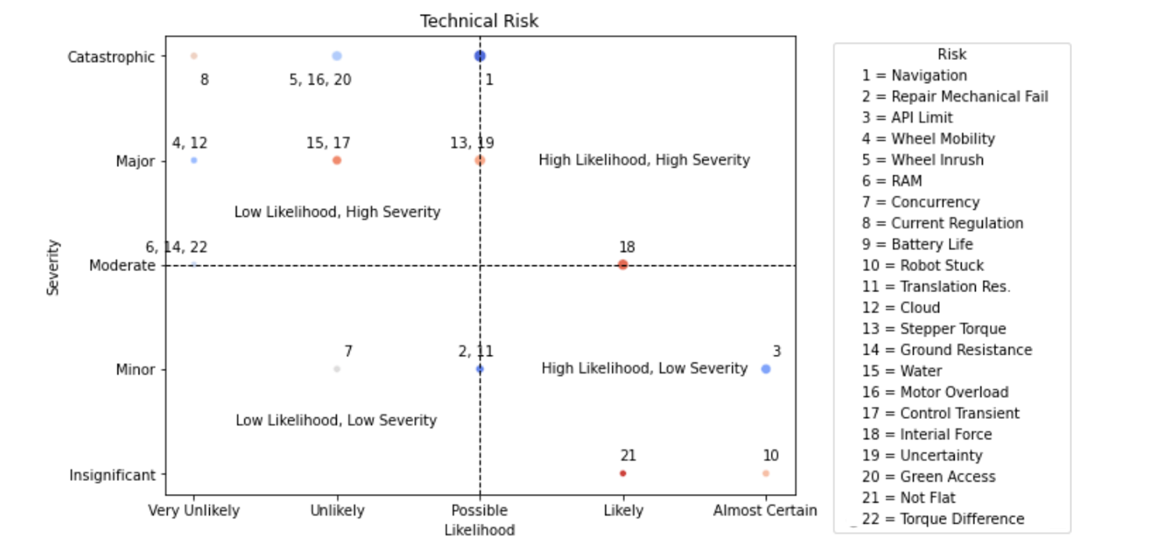
No. | Risk | Severity | Likelihood | Score | Mitigation
1 | Navigation unable to determine location | 5 | 3 | 15 | Use of GNSS + RTK + Encoders + Feedback logic
2 | Repair tool mechanical failure (detail different types + stuck in ground) | 2 | 3 | 6 | Mechnaincal components for this are low cost + available
3 | API request limits | 2 | 5 | 10 | Assimilate API requests + lower request rate
4 | Wheels mobility issues, large wheel size translation resolution too high issues | 4 | 1 | 4 | Use cheap hobbyist wheels descopes the robot from being a commercial platform
5 | Wheel motors – inrush current | 5 | 2 | 10 | Components slected with protection and high max ratings use of a fuse mitigates this
6 | Raspberry pi RAM limit | 3 | 1 | 3
7 | Concurrency issue with PI multi threading (i.e. need tasks to run concurrently) | 2 | 2 | 4 | Python threading library + thread management system
8 | Current regulation (for all components) | 5 | 1 | 5 | UPS power has internal protection to overload
9 | Battery life | 2 | 2 | 4 | 7800 mAh on UPS + can use a secondary power system (18650 batteries)
10 | Robot stuck in scan path (arbitrary) | 1 | 5 | 5 | Alert greenkeeper
11 | Poor translation resolution of gear teeth /mechanisms | 2 | 3 | 6 | New gears and racks would be required
12 | Cloud deployment down | 4 | 1 | 4 | Amazon wont let their server go down for long periods
13 | Stepper torque being too low to penetrate ground | 4 | 3 | 12 | buy new motors / linear actuator
14 | Resistance from ground causing stepper current to spike | 3 | 1 | 3 | Use a fuse/ test with ammeter
15 | Water getting into DC motors | 4 | 2 | 8 | Only use in acceptable conditions
16 | Raspberry pi motor controller receiving overload | 5 | 2 | 10 | Test exclusively with a fuse between controller and pi before mounting
17 | Lack of control on motor current transient | 4 | 2 | 8 | Test and use a ramp/ steps type function controlling wheels
18 | Lack of control of inertial forces | 3 | 4 | 12 | Use ramp/ step functions on motors + calibrate steering
19 | Uncertainty in rotation/ distance building such that robot gets lost | 4 | 3 | 12 | Using feedback from wheel encoders to validate location and bearing estimates
20 | Not being able to use a green of sufficient quality | 5 | 2 | 10 | Perform navigation of grass turf and recreate turf for repair
21 | Not enough flattening of the / lack of reaction force – low risk/ roots are still healed | 1 | 4 | 4 | Turf still healed golfers will need to flatten the partial repair
22 | Difference in frictional torque in each wheel motor – steering could be affected | 3 | 1 | 3 | Switch to two wheels differential drive - descopes project

